Map of Assignment
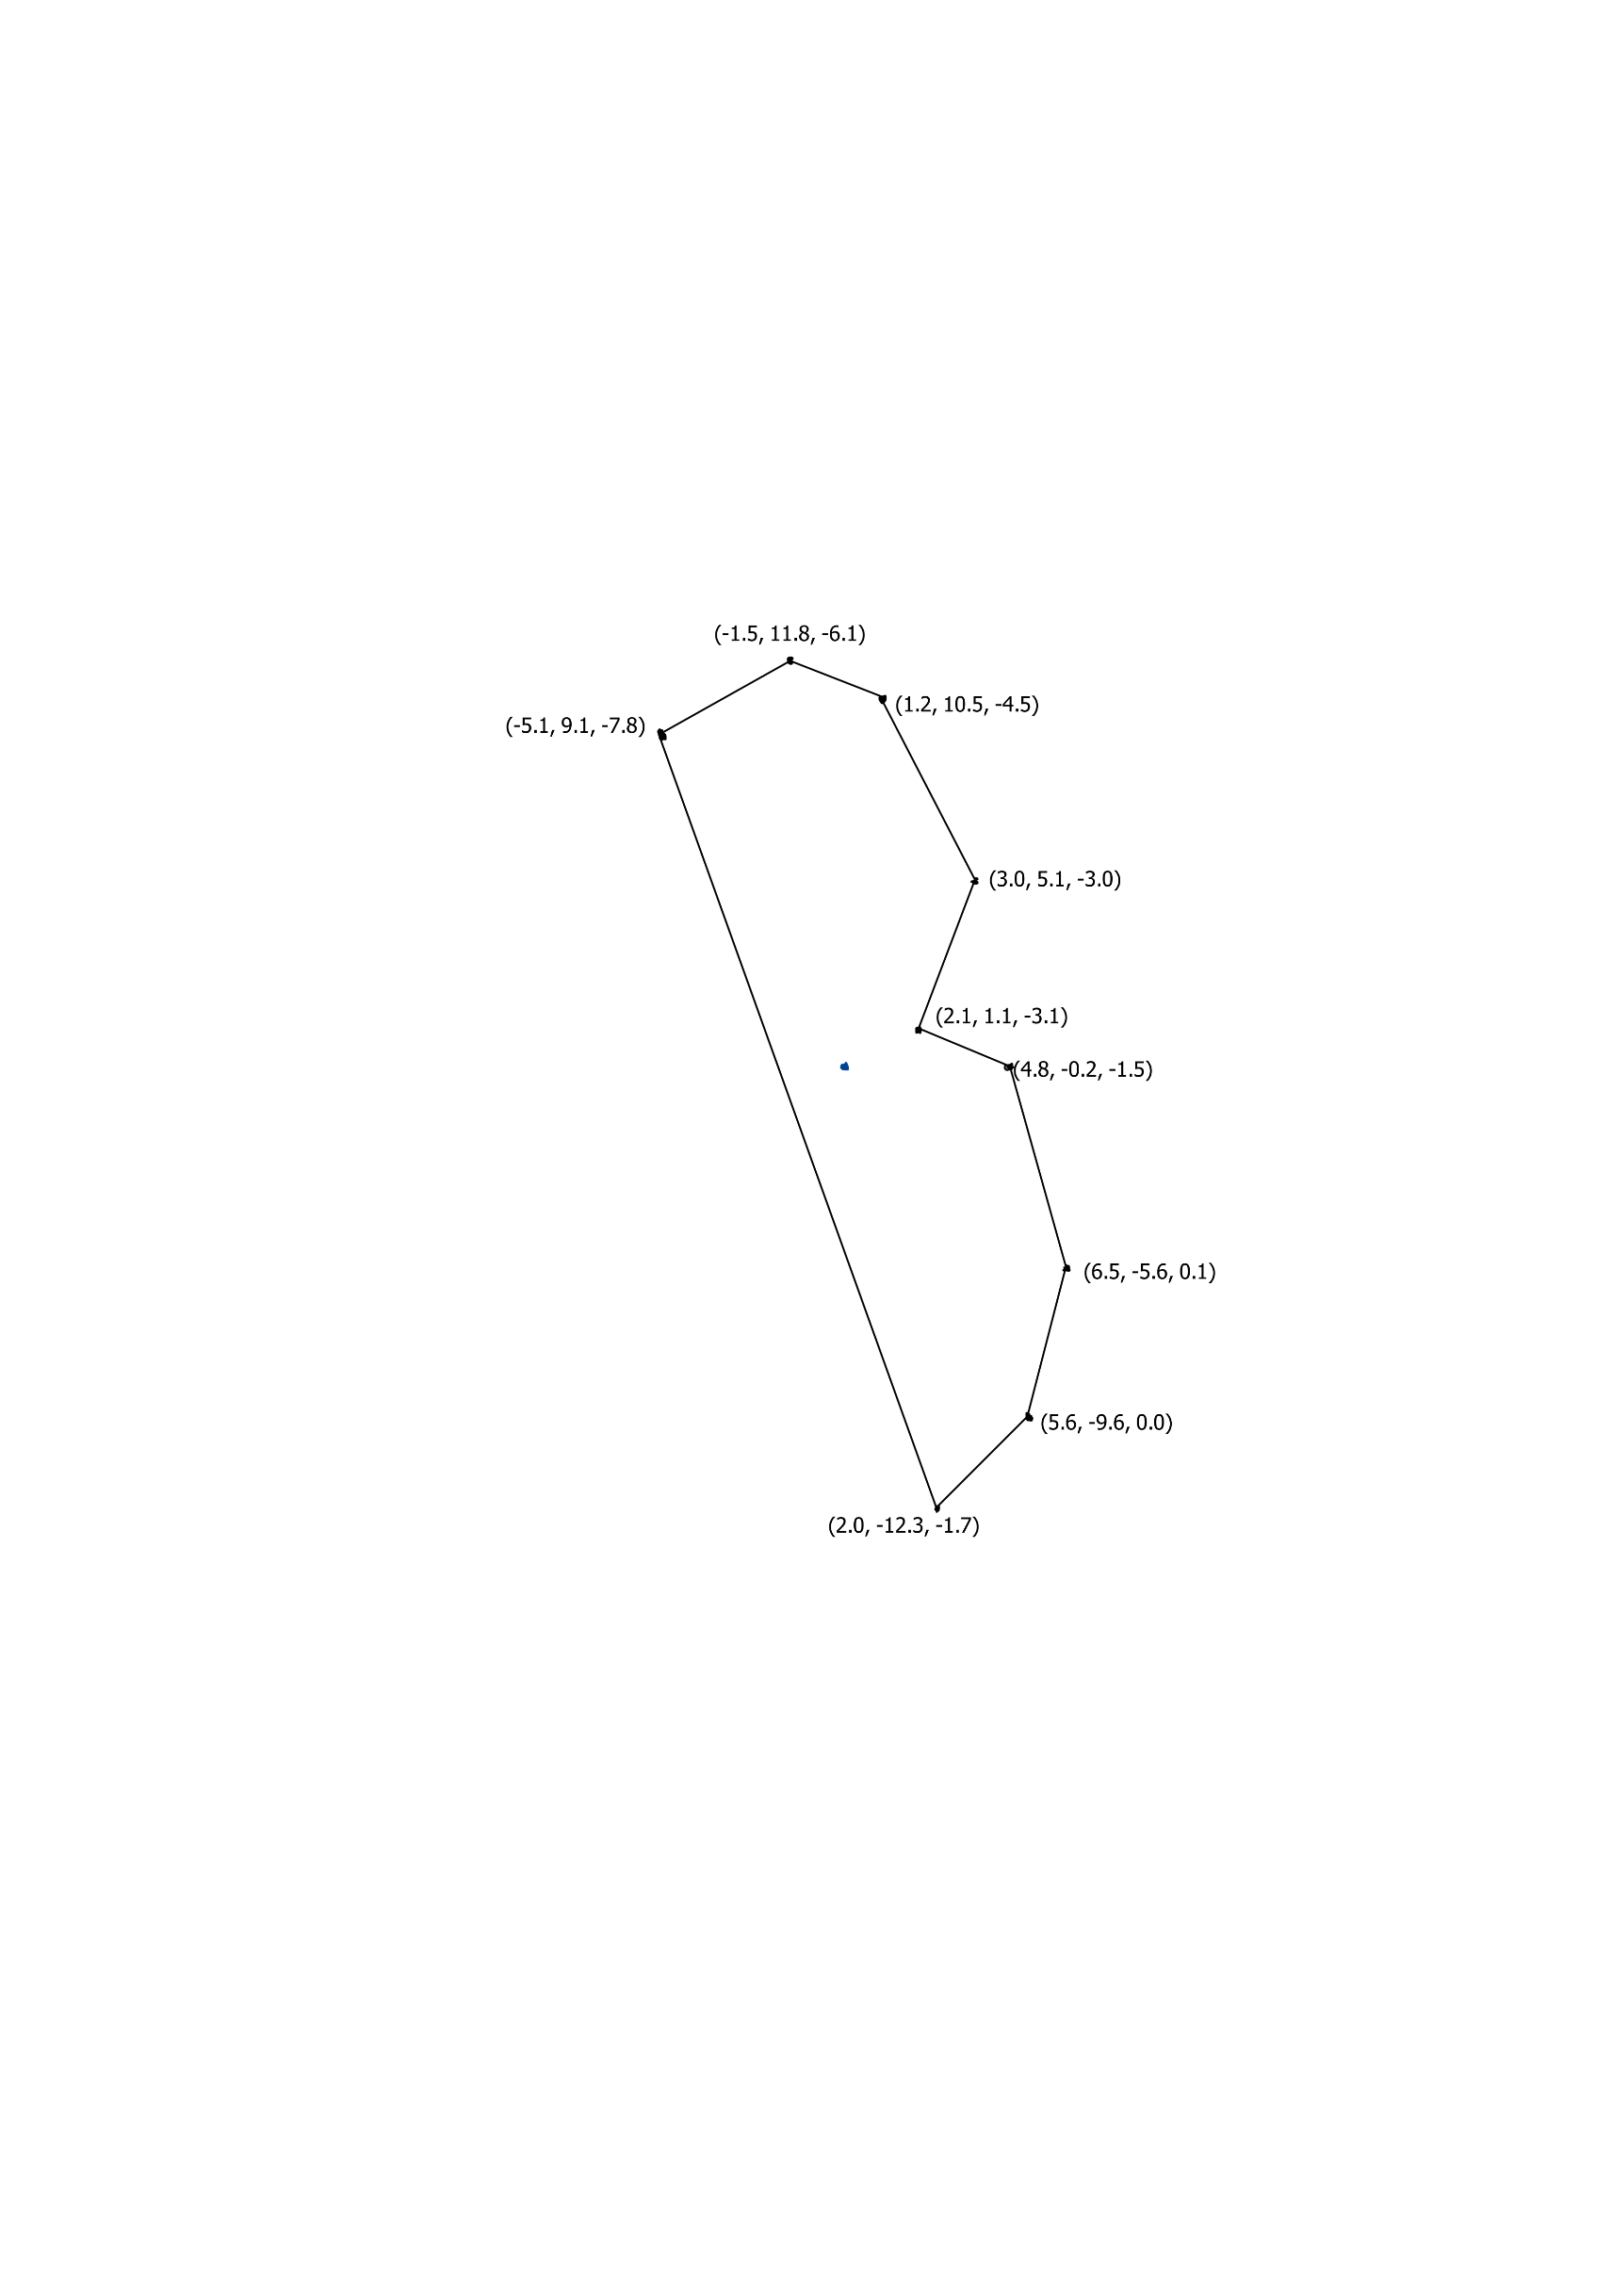
 |  | Vertices of your letter
 |  | (1.0, 0.0, 1.0) (2.0, 1.0, 1.0) (2.0, 3.0, 1.0) (1.0, 4.0, 1.0) (-1.0, 4.0, 1.0) (-1.0, -4.0, 1.0) (1.0, -4.0, 1.0) (2.0, -3.0, 1.0) (2.0, -1.0, 1.0) (1.0, 0.0, -1.0) (2.0, 1.0, -1.0) (2.0, 3.0, -1.0) (1.0, 4.0, -1.0) (-1.0, 4.0, -1.0) (-1.0, -4.0, -1.0) (1.0, -4.0, -1.0) (2.0, -3.0, -1.0) (2.0, -1.0, -1.0)

 |  | Rotation Matrix
 |  | 0.85890 -0.40317 0.31581 0.00000 0.44659 0.89146 -0.07650 0.00000 -0.25069 0.20675 0.94573 0.00000 0.00000 0.00000 0.00000 1.00000

 |  | Image after Rotation
 |  | (2.0, 0.8, 0.4) (2.5, 2.2, 0.4) (1.7, 3.9, 0.8) (0.4, 4.4, 1.3) (-1.3, 3.5, 1.8) (1.9, -3.6, 0.1) (3.6, -2.7, -0.4) (4.1, -1.4, -0.4) (3.3, 0.4, 0.0) (1.4, 1.0, -1.4) (1.9, 2.3, -1.5) (1.1, 4.1, -1.1) (-0.2, 4.5, -0.6) (-1.9, 3.6, -0.1) (1.3, -3.5, -1.8) (3.0, -2.6, -2.3) (3.5, -1.3, -2.3) (2.7, 0.5, -1.9)

 |  | Scale Matrix |  | Single Matrix of transformations
 |  | 2.00000 0.00000 0.00000 0.00000 0.00000 3.00000 0.00000 0.00000 0.00000 0.00000 4.00000 0.00000 0.00000 0.00000 0.00000 1.00000 |  | 1.71780 -1.20952 1.26326 8.24195 0.89318 2.67439 -0.30602 8.00343 -0.50139 0.62025 3.78293 10.58373 0.00000 0.00000 0.00000 1.00000

 |  | Image after Scale
 |  | (4.1, 2.5, 1.8) (5.0, 6.5, 1.6) (2.3, 1.1, 2.8) (3.3, 5.1, 2.6) (1.6, 10.5, 4.3) (-0.9, 11.8, 6.1) (-4.3, 9.1, 8.1) (2.1, -12.3, 1.5) (5.6, -9.6, -0.5) (6.5, -5.6, -0.7) (4.9, -0.2, 1.0) (1.1, 1.6, -4.8) (2.0, 5.6, -5.0) (0.4, 10.9, -3.3) (-2.1, 12.3, -1.5) (-5.6, 9.6, 0.5) (0.9, -11.8, -6.1) (4.3, -9.1, -8.1) (5.2, -5.1, -8.3) (3.6, 0.2, -6.6)

 |  | Translation Matrix
 |  | 1.00000 0.00000 0.00000 4.00000 0.00000 1.00000 0.00000 2.00000 0.00000 0.00000 1.00000 3.00000 0.00000 0.00000 0.00000 1.00000

 |  | Image after translation | = | Image after transformations
 |  | (2.3, 1.1, 2.8) (3.3, 5.1, 2.6) (1.6, 10.5, 4.3) (-0.9, 11.8, 6.1) (-4.3, 9.1, 8.1) (2.1, -12.3, 1.5) (5.6, -9.6, -0.5) (6.5, -5.6, -0.7) (4.9, -0.2, 1.0) (1.1, 1.6, -4.8) (2.0, 5.6, -5.0) (0.4, 10.9, -3.3) (-2.1, 12.3, -1.5) (-5.6, 9.6, 0.5) (0.9, -11.8, -6.1) (4.3, -9.1, -8.1) (5.2, -5.1, -8.3) (3.6, 0.2, -6.6) |  | (3.0, 0.6, 3.3) (3.5, 4.2, 3.4) (1.1, 9.5, 4.6) (-1.9, 11.3, 5.8) (-5.3, 9.5, 6.8) (4.4, -11.9, 1.8) (7.8, -10.1, 0.8) (8.3, -6.5, 0.9) (5.9, -1.2, 2.2) (0.5, 1.2, -4.3) (1.0, 4.8, -4.2) (-1.5, 10.1, -2.9) (-4.4, 11.9, -1.8) (-7.8, 10.1, -0.8) (1.9, -11.3, -5.8) (5.3, -9.5, -6.8) (5.8, -5.9, -6.6) (3.4, -0.6, -5.4)

 |  | Viewing Matrix |  |  | Single Matrix for everything
 |  | 0.99504 0.00000 -0.09950 -1.00000 0.00000 1.00000 0.00000 0.00000 0.09950 0.00000 0.99504 -10.00000 0.00000 0.00000 0.00000 1.00000 |  |  | 1.83498 -1.20952 5.00044 -2.19407 0.85829 2.67439 -9.76911 0.79470 -0.12248 0.62025 22.85305 -7.70513 0.00000 0.00000 -1.00000 0.00000

 |  | Image after Viewing Matrix
 |  | (2.1, 1.1, 3.0) (3.0, 5.1, 2.9) (1.2, 10.5, 4.4) (-1.5, 11.8, 6.0) (-5.1, 9.1, 7.6) (2.0, -12.3, 1.7) (5.6, -9.6, 0.0) (6.5, -5.6, -0.1) (4.8, -0.2, 1.4) (1.6, 1.6, -4.7) (2.5, 5.6, -4.7) (0.7, 10.9, -3.3) (-2.0, 12.3, -1.7) (-5.6, 9.6, 0.0) (1.5, -11.8, -6.0) (5.1, -9.1, -7.6) (6.0, -5.1, -7.7) (4.3, 0.2, -6.2)

Projection by hand i.e. division |  | Projection matrix
 |  | 1.00000 0.00000 0.00000 0.00000 0.00000 1.00000 0.00000 0.00000 0.00000 0.00000 -1.02020 -2.02020 0.00000 0.00000 -1.00000 0.00000

Final Image | = | Final Image | Should be equal (ish) :-) |  | Final Image
 |  | (2.1, 1.1, -3.1) (3.0, 5.1, -3.0) (1.2, 10.5, -4.5) (-1.5, 11.8, -6.1) (-5.1, 9.1, -7.8) (2.0, -12.3, -1.7) (5.6, -9.6, 0.0) (6.5, -5.6, 0.1) (4.8, -0.2, -1.5) (1.6, 1.6, 4.7) (2.5, 5.6, 4.8) (0.7, 10.9, 3.3) (-2.0, 12.3, 1.7) (-5.6, 9.6, 0.0) (1.5, -11.8, 6.1) (5.1, -9.1, 7.8) (6.0, -5.1, 7.9) (4.3, 0.2, 6.3) |  |  | (6.8, -8.9, 22.7) (7.5, -5.4, 23.2) (5.0, 0.0, 24.5) (2.0, 1.8, 25.2) (-1.7, 0.1, 25.5) (8.0, -21.3, 20.5) (11.7, -19.6, 20.2) (12.3, -16.1, 20.7) (9.9, -10.7, 22.0) (-3.2, 10.6, -23.0) (-2.5, 14.2, -22.5) (-5.0, 19.5, -21.2) (-8.0, 21.3, -20.5) (-11.7, 19.6, -20.2) (-2.0, -1.8, -25.2) (1.7, -0.1, -25.5) (2.3, 3.5, -25.0) (-0.1, 8.8, -23.7)

 |  | Final Image on graph paper, or excell chart

